BS
Alhamra Islamic Money Market Fund |  |  |  |  |  |  |  | 864,974
Condensed Interim Statement Of Assets And Liabilities |  |  |  |  |  |  |  | 40348
As At March 31, 2022 |  |  |  |  |  |  |  | 100000

 |  |  | March 31, |  | June 30
 |  |  | 2022 |  | 2021
 |  | Note | (Unaudited) |  | (Audited)
 |  |  | --------- (Rupees in '000) ---------
Assets

Bank balances |  | 5 | 8,405,550 |  | 7,092,512 |  | 1,313,038 | 3638805120.2 | 118,054,812.87
Investments |  | 6 | 1,074,651 |  | 8,122,692 |  | (7,048,041) | 458000000 | 48,792,415.00
Mark-up receivable on investments and bank balances |  |  | 102,388 |  | 64,162 |  | 38,226 | 11478819.05 | 166,847.00
Advances and deposits |  |  | 1,460 |  | 4,214 | #REF! | (2,754) | 1489972.99
Receivable from Management Company |  |  | - |  | 1,844 |  | (1,844)
Total assets |  |  | 9,584,048 |  | 15,285,424 |  | (5,699,532) | 4112957532.6 | 334,851.00
 |  |  |  |  |  |  |  |  | (9,249,197.32)

Liabilities

Payable to Management Company |  | 7 | 231 |  | 60 |  | 171 | 253350.54 | #REF! | TOTAL
Payable to Digital Custodian Company - Trustee |  |  | - |  | 818 |  | (818) | 2052 |  | Back Office Exp
Payable to the Securities and Exchange Commission of Pakistan |  |  | 2,175 |  | 1,211 |  | 964 | 7332 | #REF! | SST
Dividend Payable |  |  | 6,587 |  | 5,033 |  | 1,555 | 1201407.61
Accrued expenses and other liabilities |  | 8 | 9,397 |  | 20,672 |  | (11,275) | 8687803.83
Total liabilities |  |  | 18,390 |  | 27,794 |  | (9,403) | 10151945.98 | 10,084.00
 |  |  |  |  |  |  |  |  | 8,306.24
CONTINGENCIES AND COMMITMENTS |  | 10 |  |  |  |  |  | 0

NET ASSETS |  |  | 9,565,658 |  | 15,257,630 |  | 18,390 | 4102805586.6
 |  |  |  |  |  |  | 95,657 |  | 0.00
UNIT HOLDERS' FUND (AS PER STATEMENT ATTACHED) |  |  | 9,565,658 |  | 15,257,630 | 152,343.000 | 0 | 21851594.35 | 47,828
 |  |  |  |  |  |  | (0) |  | 23,914.15
 |  |  | (Number of units)
 |  |  |  |  |  |  |  |  | 47,920.24
Number Of Units In Issue |  |  | 96,127,599 |  | 153,327,608 | 15,257,630.27 |  | 179,026,401
 |  |  |  |  |  |  | 57,375,679
 |  |  | (Rupees) |  |  |  |  | 1.8624

Net Asset Value Per Unit |  |  | 99.5100 |  | 99.5100 | 9.95100

 |  |  |  |  |  |  |  | 153,327.61
The annexed notes 1 to 17 form an integral part of these condensed interim financial information.

MCB-Arif Habib Savings and Investments Limited
(Management Company)

 |  |  |  |  |  |  |  | 99.5100

______________________ | _____________________ |  |  | ________________
Chief Executive Officer | Chief Financial Officer |  |  | Director
 |  |  | 9,565,658
MCB-Arif Habib Savings and Investments Limited
(Management Company)
____________________ _____________________ __________________
Chief Executive Officer Chief Financial Officer Director
 |  |  | 0

Notes 1-6
Alhamra Islamic Money Market Fund
Notes to the Condensed Interim Financial Information (Unaudited)
For The Nine Months And Quarter Ended March 31, 2022
 |  |  |  |  |  |  | Lakson Accounts format
 |  |  |  |  |  |  | Note 3 copy of JS investments
1. | LEGAL STATUS AND NATURE OF BUSINESS

1.1 | Alhamra Islamic Money Market Fund (''the Fund") was established under the Non-Banking Finance Companies (Establishment and Regulations) Rules, 2003 (the NBFC Rules) as an open-end unit trust scheme. The Fund is governed under Non-Banking Finance Companies (Establishment and Regulation) Rules, 2003 and Non-Banking Finance Companies and Notified Entities Regulations, 2008. MCB Arif Habib Savings and Investments Limited is the Management Company (Wakeel) of the Fund, and Digital Custodian Company is the Trustee. The Trust Deed was executed on July 22, 2015 (modified and restated on July 17, 2020 for changing the name and category of the fund) and was approved by the Securities and Exchange Commission of Pakistan (SECP) on July 16, 2015. The Trust Act, 1882 has been repealed due to the promulgation of Provincial Trust Act namely “Sindh Trusts Act, 2020” (the Sindh Trust Act) as empowered under the Eighteenth Amendment to the Constitution of Pakistan. The Fund is required to be registered under the Sindh Trust Act. Accordingly, on August 13, 2021 the above-mentioned Trust Deed has been registered under the Sindh Trust Act. |  |  |  |  |  | Alhamra Islamic Money Market Fund (Formerly: MCB Pakistan Frequent Payout Fund) ("the Fund") was established under a Trust Deed dated July 22, 2015 (modified & restated on July 17, 2020 for changing the name & category of the fund) executed between MCB - Arif Habib Savings and Investments Limited as Management Company and Digital Custodian Company (Formerly: MCB Financial Services Limited) as the Trustee. The Fund was approved as an open end investment scheme by the Securities and Exchange Commission of Pakistan (SECP) on July 16, 2015 in accordance with the Asset Management Companies Rules, 1995 (AMC Rules) repealed by the Non-Banking Finance Companies (Establishment and Regulation) Rules, 2003 (NBFC Rules).

1.2 | Being an Islamic Fund, all the activities of the Fund are undertaken in accordance with the Islamic Shariah rules and principles. The Management Company has appointed a Shariah Supervisory Council whose advice is followed to ensure that activities of the Fund are in compliance with Shariah.

1.3 | The Fund was an open-end collective investment scheme categorized as an "Asset Allocation" scheme by the Board of Directors of the Management Company pursuant to Circular 7 of 2009 dated March 06, 2009 issued by the SECP. Securities and Exchange Commission of Pakistan (SECP) vide its letter # SCD / AMCW / MCBAHSIL / MCBPFPF /03/2020 dated July 14, 2020, has approved the conversion of MCB Pakistan Frequent Payout Fund renamed as Alhamra Islamic Money Market Fund from Asset Allocation Scheme to Islamic Money Market Scheme. The Fund was converted from forward pricing fund to backward pricing fund and NAV of August 20, 2020 is applicable NAV of August 21, 2020. The Fund offers units for public subscription on a continuous basis. The units of the Fund can be transferred to / from the funds managed by the Management Company and can also be redeemed by surrendering them to the Fund. The Fund is listed on the Pakistan Stock Exchange Limited.

 |  |  |  |  |  |  | 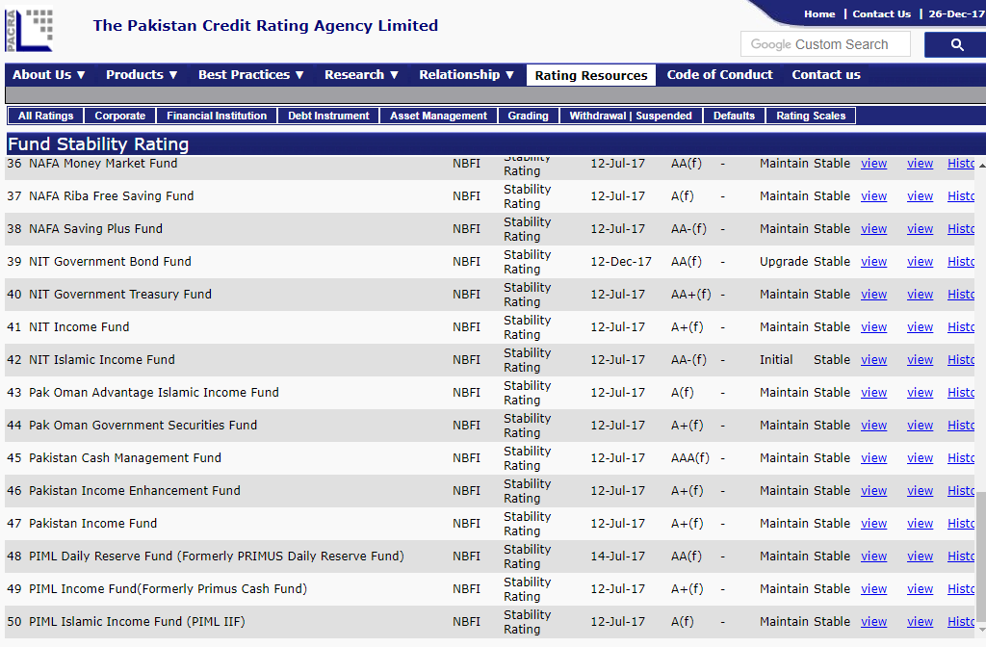

1.4 | The Management Company of the Fund has been licensed to act as an Asset Management Company under the Non Banking Finance Companies (Establishment and Regulations) Rules 2003 through a certificate of registration issued by the SECP. The registered office of the Management Company situated at 2nd Floor, Adamjee House, I.I. Chundrigar Road, Karachi, Pakistan.

1.5 | The title to the assets of the Fund is held in the name of Digital Custodian Company as the Trustee of the Fund.

1.6 | The Pakistan Credit Rating Agency Limited (PACRA) has maintained an asset manager rating of 'AM1' dated October 06, 2021 to the Management Company and stability rating of "AA+(f)' dated March 03, 2022 to the Fund.

2 | BASIS OF PREPARATION

2.1 | Statement of compliance

 | These condensed interim financial information have been prepared in accordance with the accounting and reporting standards as applicable in Pakistan for interim financial reporting. The accounting and reporting standards applicable in Pakistan comprise of:

 | - | International Financial Reporting Standards (IFRS Standards) issued by the International Accounting Standards Board (IASB) as notified under the Companies Act, 2017;

 | - | Provisions of and directives issued under the Companies Act, 2017, along with part VIIIA of the repealed Companies Ordinance, 1984; and

 | - | The NBFC Rules, the Non-Banking Finance Companies and Notified Entities Regulations, 2008 (the NBFC Regulations) and the requirements of Trust Deed.

 | Where provisions of and directives issued under the Companies Act, 2017, Part VIIIA of the repealed Companies Ordinance, 1984, the NBFC rules, the NBFC Regulations and requirements of the Trust Deed differ from the International Accounting Standard (IAS) 34, Interim Financial Reporting, the provisions of and directives issued under the Companies Act, 2017, Part VIIIA of the repealed Companies Ordinance, 1984, the NBFC Rules, the NBFC Regulations and requirements of the Trust Deed have been followed.

2.2 | This condensed interim financial information does not include all the information and disclosures required for full annual financial statements and should be read in conjunction with the financial statements for the year ended 30 June 2021. The comparative in the statement of assets and liabilities presented in the condensed interim financial information as at 31 March 2022 have been extracted from the audited financial statements of the Fund for the year ended 30 June 2021, where as the comparatives in the condensed interim income statement, condensed interim cash flow statement, condensed interim distribution statement and condensed interim statement of movement in unit holders' funds are stated from unaudited condensed interim financial information for the nine months ended 31 March 2022.

2.3 | The disclosures made in this condensed interim financial information have, however, been limited based on the requirements of the International Accounting Standard 34: 'Interim Financial Reporting'. This condensed interim financial information is unaudited.

2.4 | In compliance with schedule V of the NBFC Regulations the Directors of the Management Company, hereby declare that this condensed interim financial statement give a true and fair view of the state of affairs of the Fund.

2.5 | This condensed interim financial information is presented in Pak Rupees which is the functional and presentation currency of the Fund.

3 | SUMMARY OF SIGNIFICANT ACCOUNTING POLICIES, ACCOUNTING ESTIMATES, JUDGMENTS AND RISK MANAGEMENT POLICIES

 | The accounting policies adopted and the methods of computation of balances used in the preparation of these condensed interim financial statements are the same as those applied in the preparation of the annual financial statements of the Fund for the year ended June 30, 2021.

 | The preparation of the condensed interim financial statements in conformity with accounting and reporting standards as applicable in Pakistan requires management to make estimates, assumptions and use judgments that affect the application of policies and reported amounts of assets, liabilities, income and expenses. Estimates, assumptions and judgments are continually evaluated and are based on historical experience and other factors, including reasonable expectations of future events. Revisions to accounting estimates are recognised prospectively commencing from the period of revision. In preparing the condensed interim financial statements, the significant judgments made by management in applying the Fund’s accounting policies and the key sources of estimation and uncertainty were the same as those applied to the financial statements as at and for the year ended June 30, 2021.

4 | FINANCIAL RISK MANAGEMENT

 | The Fund’s financial risk management objectives and policies are consistent with those disclosed in the annual financial statements of the Funds for the year ended June 30, 2021.

 |  |  |  | March 31, | June 30
5 | BANK BALANCES |  | Note | 2022 | 2021
 |  |  |  | (Unaudited) | (Audited)
 |  |  |  | ---- (Rupees in '000) ----
 | Current accounts |  |  | - | -
 | Profit and loss sharing accounts |  | 5.1 | 8,405,550 | 7,092,512
 |  |  |  | 8,405,550 | 7,092,512

5.1 | These carry profit rates ranging from 5.5% to 10.90% (30 June 2021: 5.5% to 6.93%) per annum. These balances include Rs. 8.763 million (30 June 2021: Rs. 1.904 million) maintained with MCB Bank Limited (a related party).
 |  |  |  |  |  |  | 8.763

 |  |  |  | March 31, | June 30
6 | INVESTMENTS |  | Note | 2022 | 2021
 |  |  |  | (Unaudited) | (Audited)
 |  |  |  | ---- (Rupees in '000) ----
 | At fair value through profit or loss |  |  |  |  | Level
 | - Sukuk Certificates - Unlisted |  | 6.1 | 406,000 | 352,000
 | - Commercial Paper |  | 6.2 | 668,651 | 1,278,407
 | - Bi Muajjal |  | 6.3 | - | -
 | - Term Deposit Certificates |  | 6.4 | - | -
 |  |  |  | 1,074,651 | 1,630,407 | -6,492,285 | 1,074,651

